10 sq m
Name of the beach
Recognisable point: |  |  |  |  |  |  |  | Artificial polymer | glass | metal | paper | other
Beach width: |  |  |  |  |  |  |  | • | • | • | • | •
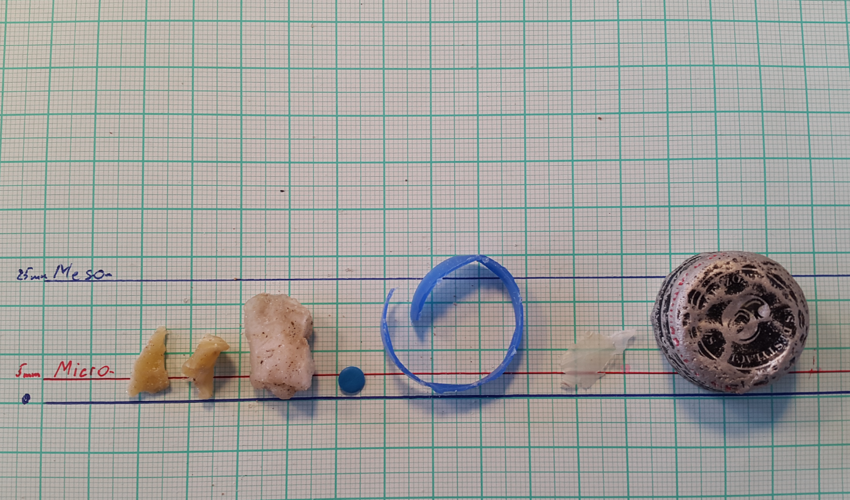
• • • • • • •
Type of sediments:
Usage: |  | Rural/touristic
Central coordinates:

Sampling scheme

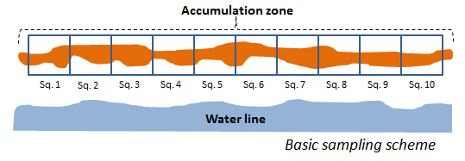

Surveyor: |  | ?????????????
Contacts: |  | ????????????

Sampling date: |  | dd/mm/yy
Start of the survey |  | 0:00:00
End of the survey |  | 0:00:00

Weather conditions
wind speed: |  | m/s
wind direction: |  | N,E,S,W
Air temp.: |  | °C
Other: |  | sunny, worm day

Coast info
Coastal conditions: |  | ???

Type of sediments:
>> in tidal zone

Methodology: |  | (little changes, corrections of general method)

The size of marine litter at ??????? beach
 | Micro | Meso | Macro
Sq. 1
Sq. 2
Sq. 3
Sq. 4
Sq. 5
Sq. 6
Sq. 7
Sq. 8
Sq. 9
Sq. 10

Sampling information

 | Numb. Of sampled Sq. | micro (2-5 mm) | meso (5-25 mm) | macro | Total

 | Sq. 1 |  |  |  | 0
 | Sq. 2 |  |  |  | 0
 | Sq. 3 |  |  |  | 0
 | Sq. 4 |  |  |  | 0
 | Sq. 5 |  |  |  | 0
 | Sq. 6 |  |  |  | 0
 | Sq. 7 |  |  |  | 0
 | Sq. 8 |  |  |  | 0
 | Sq. 9 |  |  |  | 0
 | Sq. 10 |  |  |  | 0

 | Numb.of | Categories of material |  |  |  |  | Short description of the graph above
 | spot/square | plastic | glass | metal | paper | other
 | Sq. 1
 | Sq. 2
Material of marine litter of ????????? beach
 | Plastic | Glass | Metal | Paper | Other
Sq. 1
Sq. 2
Sq. 3
Sq. 4
Sq. 5
Sq. 6
Sq. 7
Sq. 8
Sq. 9
Sq. 10
 | Sq. 3
 | Sq. 4
 | Sq. 5
 | Sq. 6
 | Sq. 7
 | Sq. 8
 | Sq. 9
 | Sq. 10
 | TOTAL | 0 | 0 | 0 | 0 | 0

 |  |  |  |  |  |  | Short description of the graph above

