Rake method
Name of the survey site
Recognisable point:
Beach width:
Type of sediments:
Usage: |  | Rural/touristic
Coordinates:

Sampling scheme

T13
T26
beach
width

T12
T25

T11
T24

T10
T23

T9
T22

T8
T21

T7
T20

T6
T19

T5
T18

T4
T17

T3
T16

T2
T15

T1
T14

Surveyor: |  | ????????
Contacts: |  | ????????

Sampling date: |  | dd/mm/yy
Start of the survey |  | 0:00:00
End of the survey |  | 0:00:00
Weather conditions
wind speed: |  | m/s
wind direction: |  | S,W,N,E
Air temp.: |  | °C
Other: |  | sunny with coulds, windy

Coast info
Coastal conditions:

Type of sediments:
>> in tidal zone |  | sand
>> in middle section |  | sand
>> in upper beach |  | sand

Methodology: |  | Rake method

Sampling information

 | Trnasect No. | Micro (2-5 mm) | Meso (5-25 mm) | Macro | Total
The material type of marine litter of ????????? beach
 | Micro | Meso | Macro
T1
T2
T3
T4
T5
T6
T7
T8
T9
T10
T11
T12
T13
T14
T15
T16
T17
T18
T19
T20
 | T1 |  |  |  | 0
 | T2 |  |  |  | 0
 | T3 |  |  |  | 0
 | T4 |  |  |  | 0
 | T5 |  |  |  | 0
 | T6 |  |  |  | 0
 | T7 |  |  |  | 0
 | T8 |  |  |  | 0
 | T9 |  |  |  | 0
 | T10 |  |  |  | 0
 | T11 |  |  |  | 0
 | T12 |  |  |  | 0
 | T13 |  |  |  | 0
 | T14 |  |  |  | 0
 | T15 |  |  |  | 0
 | T16 |  |  |  | 0
 | T17 |  |  |  | 0
 | T18 |  |  |  | 0
 | T19 |  |  |  | 0
 | T20 |  |  |  | 0

 |  |  |  |  |  |  | Short description of the graph above

 | Trnasect No. | Categories of material
 |  | plastic | glass | metal | paper | other
 | T1
 | T2
 | T3
The size of marine litter of ????????? beach
 | Plastic | Glass | Metal | Paper | Other
T1
T2
T3
T4
T5
T6
T7
T8
T9
T10
T11
T12
T13
T14
T15
T16
T17
T18
T19
T20
 | T4
 | T5
 | T6
 | T7
 | T8
 | T9
 | T10
 | T11
 | T12
 | T13
 | T14
 | T15
 | T16
 | T17
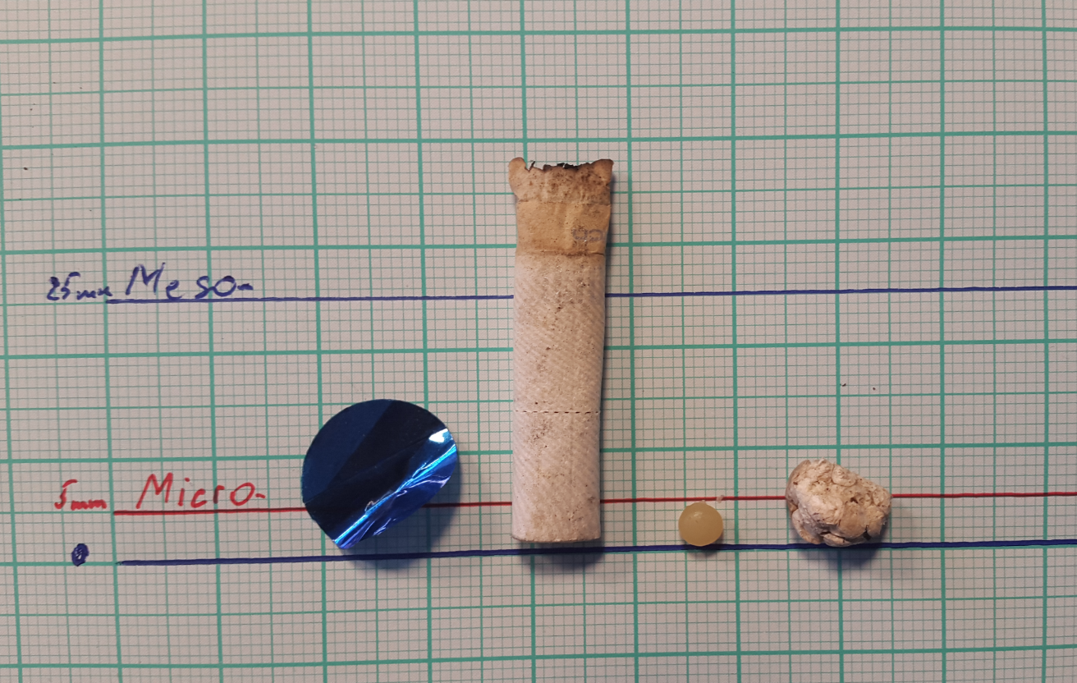
• • • •
 | T18
 | T19
 | T20
 | TOTAL | 0 | 0 | 0 | 0 | 0

T2

 |  |  |  |  |  |  | Short description of the graph above

